Issue Log
Project Name |  | 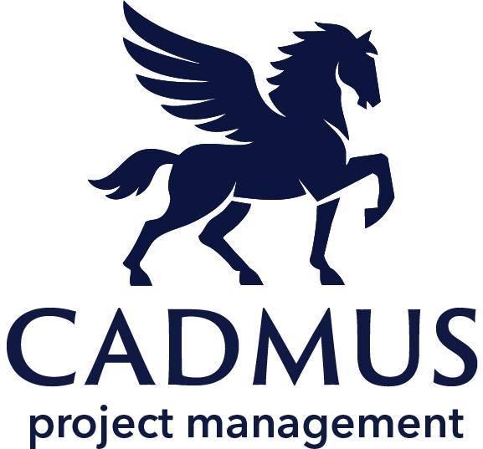 Issue Log
Project Manager
Start Date
End Date
www.cadmusprojects.com
Risk No. | Issue Description | Impact | Status | Date Identified | Owner | Resolution Action
1 | Created after Risk No. 1 was realized and the meeting notes were never sent. Team was not informed the project was not on pause. | 2 | Not Started | 2025-01-13 | Bruce Wayne | Bruce and Clark worked with Diana to distirbute the meeting notes. Recommend closure.
2
3
4
5
6
7
8

